Introduction
Computer Aided Dispatch Requirements
CAD Replacement Project

Version 1.0

Introduction
The purpose of this document is to describe the Town of Cary's requirements for a replacement Computer Aided Dispatch (CAD) system. This document contains the following components:
CAD Capabilities Summary: This worksheet contains a CAD Capabilities Context Model that summarizes the major areas of functionality the Town of Cary expects to receive from a new CAD solution. The functions within this model have been used to create the hierarchy of both the Functional Requirements, Non-Functional Requirements and External Interfaces (the three supporting worksheets within this document). It should be noted that the Town of Cary does not intend for this model to be prescriptive and limiting in nature. The Town of Cary is interested in considering any other functionality a solution may have to offer above this minimum threshold described in the model (or minimum viable product).
Functional Requirements: This worksheet contains the detailed Functional CAD Requirements (also often referred to as Business requirements), which describe the Town of Cary's expectations of the functional capabilities that will support the needs of its users and the Town of Cary 9-1-1 operation. Functional requirements describe what the Town of Cary expects the CAD can "do".
Non-Functional Requirements: This worksheet contains the detailed Non-Functional CAD Requirements (also often referred to as Technical requirements), which describe the Town of Cary's expectations of the technical capabilities of the CAD. Non-Functional requirements describe how the Town of Cary expects the CAD to "perform".
External Interfaces: This worksheet contains a discrete set of technical requirements, related to the Non-Functional Requirements, but specifically articulated to describe the Town of Cary's expectations of the new CAD system's interfacing capabilities with external systems and data sources.

CAD Capabilities Summary
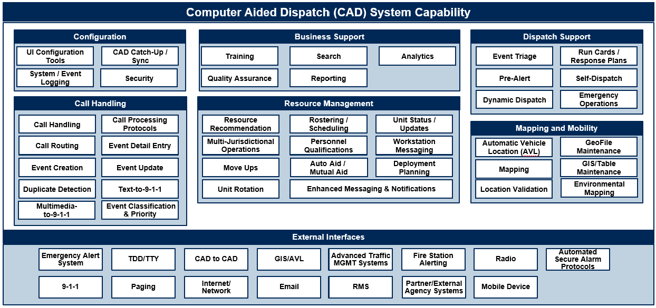
Cary's CAD System Capabilities Summary (Context Model )

Legend:

Category Name
Capability / Functional Area Name

