Referrals
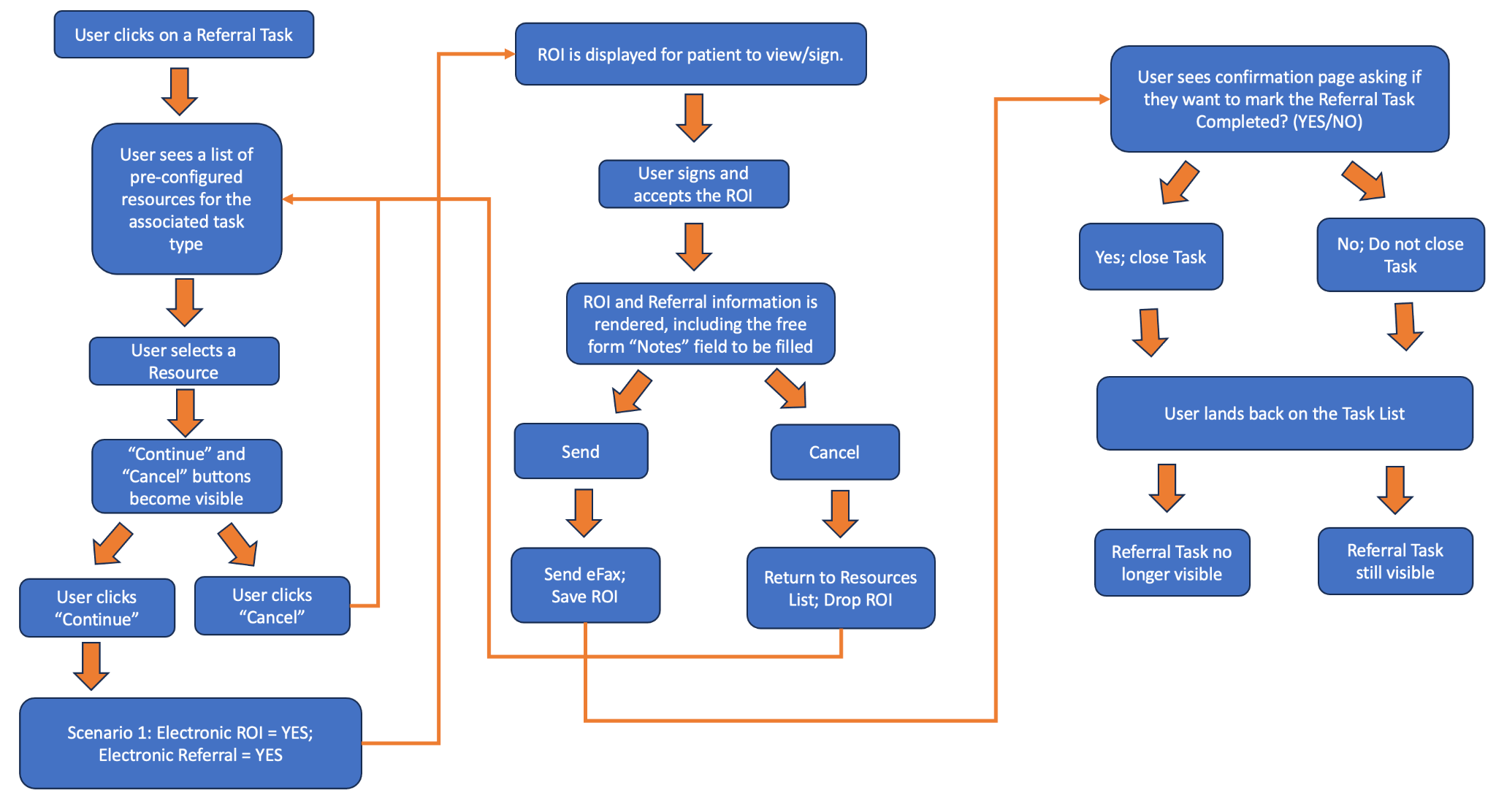
Feature | Functionality | Details
Referral Flow | Please refer to the referral flow diagram included below for more details.
 | When the user enters the referral flow, all configured Resources associated with a specific referral task type are displayed. | E.g. all available shelter resources would be displayed for a shelter task or all available food banks would be displayed for a food task.
 | Referral Resource information is displayed for each resource (name, phone #, etc.).
 | When a Resource is clicked, more detailed information about the resource is displayed.
 | User selects which resource they want to refer the patient to, e.g. 'Shelter A' and then a "Continue" button is clicked. The selected resource is recorded.
 | Electronic referral must be implemented via eFax. | In a future version Electronic referral may also include encrypted email option.
 | Referral to a Resource falls into three possible configurations which are set up when the Resource is added. | A Release of Information (ROI) is used when patient information is shared with a Referral Resource. A Referral is a set of patient information (e.g. name, gender, DOB, substances used) required by the resource.

 | 1/ Electronic for both ROI & Referral | If Resource configuration specifies: -Is ROI required? (checkbox yes/no) = Yes -Is Referral Information sent via eFax? (checkbox yes/no) = Yes
 | - ROI is displayed for patient to view and sign electronically.
 | - An option will be provided (perhaps a dropdown) to select a different ROI form which is already stored in the ROI & Consent tab for that specific patient.
 | User is able to fill out a free form "Notes" field for the referral.
 | - ROI and Referral Information is rendered.
 | - A "Send" button is displayed to initiate sending the eFax.
 | - A "Cancel" button is displayed to exit out of the referral flow.
 | - A confirmation snack bar is displayed when eFax succeeds.
 | - ROI is saved to the ROI & Consent tab whether or not the eFax succeeds.
 | - Option is displayed to mark the related task "Complete" or not. | User can select a checkbox on the confirmation page.

 | 2/ Electronic ROI and manual referral | Manual Referral: calling or texting the 3rd party. If Resource confirguration specifies: -Is ROI required? (checkbox yes/no) = Yes -Is Referral Information sent via eFax? (checkbox yes/no) = No
 | Same flow as above except Referral Information is not rendered and sent with the eFax.

 | 3/ Manual Referral and Manual ROI | If Resource configuration specifies: -Is ROI required? (checkbox yes/no) = No -Is Referral Information sent via eFax? (checkbox yes/no) = No
 | - Option is displayed to mark the related Task as "Complete" with a required Notes field to indicate how the referral and ROI were handled.

 | A patient email address will be required to be entered at the time the form is signed. The email address in the patient record will prepopulate this field but the user can edit the email address if needed. | This email address will be shown at the same time the ROI form is displayed.
 | The signed form will be emailed to the patient after signature.

